Dashboard
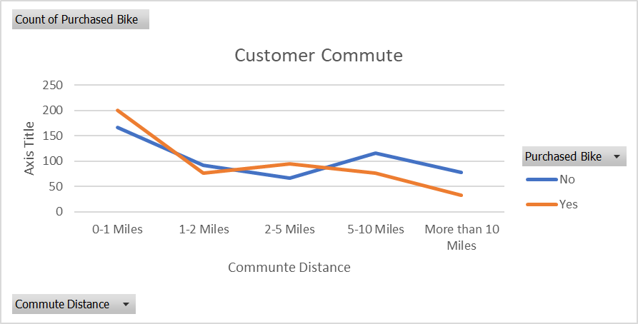
Bike Sales Dashboard

Average Income per Perchase
 | No | Yes
Female | 50,000
Male | 12,000 | 55,000
Customer Age Brackets
 | No | Yes
Adolescent | 2
Middle Aged | 5 | 1
old | 2 | 1

Pivot Table
Average Income per Perchase
 | No | Yes
Female | 50,000
Male | 12,000 | 55,000
Average of Income | Column Labels
Row Labels | No | Yes | Grand Total
Female | 50,000 |  | 50,000
Male | 12,000 | 55,000 | 24,286
Grand Total | 28,889 | 55,000 | 33,636

Customer Commute
 | No | Yes
0-1 Miles | 6 | 1
1-2 Miles | 1
More than 10 Miles | 2 | 1
Count of Purchased Bike | Column Labels
Row Labels | No | Yes | Grand Total
0-1 Miles | 6 | 1 | 7
1-2 Miles | 1 |  | 1
More than 10 Miles | 2 | 1 | 3
Grand Total | 9 | 2 | 11

Customer Age Brackets
 | No | Yes
Adolescent | 2
Middle Aged | 5 | 1
old | 2 | 1
Count of Purchased Bike | Column Labels
Row Labels | No | Yes | Grand Total
Adolescent | 2 |  | 2
Middle Aged | 5 | 1 | 6
old | 2 | 1 | 3
Grand Total | 9 | 2 | 11

